Argumentation Building Basics
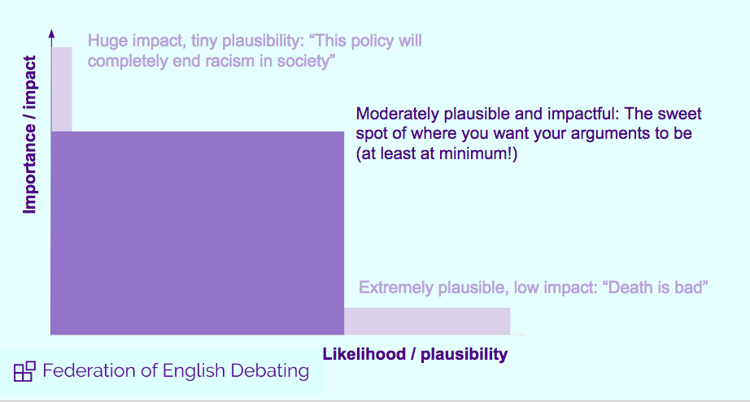
BASICS OF ARGUMENTATION BUILDING | (pictures taken from FED training material)

the basics things you should go over prep before you start your debate, if you have these things covered
chances are your case is plausible and strong

Think of comparative arguments
- are the benefits im talking about achievable by the other side?
if yes, why is it better achieved on my side/ why are the ways we approach the benefits better on my side?

Have I clarified the meaning and what is important in the debate? And justfied both of those things?
- who is the main stakeholder in this debate?
- what are the impacts in this debate? what is the size of this impact?
- why are the impacts im talking about the most important?
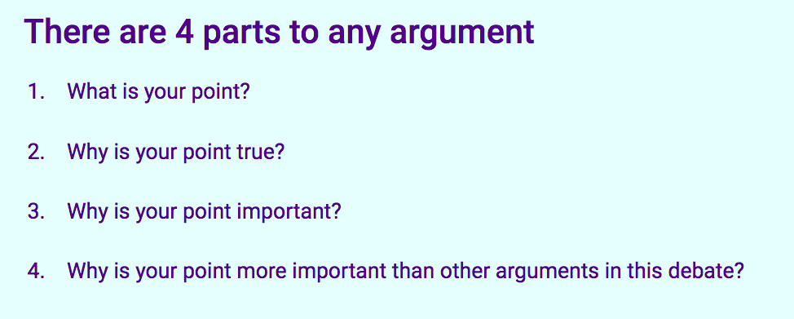
Analysis
- have i sufficiently analyzed on why my argument is true and important?
- why it matters more than opp arguments?
- made sure i discussed (if needed) that alternatives are worse?

Useful argumentation structure:
1) X is my argument
2) My argument is important because ________
3) Proving why your argument is true

Avoid generalizations

